How to use this spreadsheet
 | How to use this spreadsheet: | Stock control Template Version 4 (May 2022)

 | These spreadsheets are designed for clinics that have opted to separate clinics into first and second doses for ease of management. The spreadsheet automatically adds the second doses quantities at the correct time for the schedule.
 | The spreadsheet accommodates for up to five rounds of "clinics" a week. For the purpose of this spreadsheet a "clinic" definition is determined by the practice. It could be a whole day, a session or one hour etc.
 | There is also the option to add in third/ booster doses into the clinics or as a separate round of clinics depending on the practices preference.
 | (March Update V3) Moderna Spikevax paediatric schedule has been added as a separate tab. For each dose given, the total to be ordered ( column C) is calculated at 0.5 of a dose due to the paediatric doses being half an adult dose.
 | (March update V3) Adult Moderna Spikevax tab has a separate column for planning booster doses. Booster doses are 0.5 of a full adult dose. Therefore, for each planned vaccination only 0.5 of a dose is added to the "Total doses to be ordered" column ( column C) to assist with ordering quantities.
 | (New for May update V4) . Based on ATAGI recommendations made on the 27th April 2022 the schedules have been updated to represent an 8 week interval between dose one and dose two for Pfizer and Moderna for people aged 5 and older and a minimum dose interval of 3 weeks for Pfizer or 4 weeks for Moderna for settings requiring and accelerated schedule.

 | 1. Select the appropriate tab at the bottom of the spreadsheet for the type of vaccine doses you wish to calculate. There is a clinic planner for Vaxzevria, Spikevax, Spikevax Paediatric, Comirnaty, Paediatric Comirnaty and Nuvaxovid

 | 2. Select the dosage interval from the drop down list ( see examples below)- this function is only available for Astra Zeneca's Vaxzevria ,Moderna Spikevax Paediatric and Pfizer's Paediatric Comirnaty otherwise it is set at the recommended interval. Please note. Once a dose schedule is chosen for that round of clinics it can't be changed mid way through. If you need to introduce an accelerated schedule, use a new clinic section.

 | 3. Enter the week beginning date ( i.e. the Monday) of the first clinic you'll be running in DD/MM/YYYY format, in the first clinic section. If you are doing other clinics in that week or later in the month/ year add the date of when that clinic will be starting in the other clinic sections. (See example below)

 | 4. Enter the number of doses per clinic in the white column that you are planning to deliver. Example. If you are planning to have a first dose vaccination clinic that will see 150 people for the next 12 weeks, put in 150 in to each cell for 12 weeks. The spreadsheet will automatically place the 2nd dose in to the corresponding second dose column for that round of clinics . If in four weeks time the practice decides to increase the amount of vaccines given for a period of two weeks and see an extra 100 patients a week on a different day you would create a new round of clinics in a separate section. If you were to increase or decrease the amount in an existing clinic ( same days) do so by adjusting the number in the cells, no need to add another section. The spread sheet will total the number of doses needed for that week for all the clinics ( see example below)

 | 5. Third dose / booster allocation. This is a place to add in how many 3rd doses/ booster you are planning to give. This will add to the total per week but will not create a second dose
 | 6. The total doses per week will be calculated in the leftmost column ( column C)

 | Example: Creating clinics in the stock control spreadsheet
 | A practice has opted to run two separate clinics for 1st and 2nd doses on Monday and Fridays respectively.
 | The practice has capacity and need for 100 doses per clinic. The clinic is a morning session on a Monday for 1st doses and later Fridays for a 2nd dose
 | The practice puts in the start date for when these clinics will start. Writes 100 into the white "doses per week column" for 11 weeks .The spreadsheet automatically adds the second dose after a 4 week interval
 | The practice decided that after 12 weeks they will provide only 50 appointments for first dose and will allocate 50 doses for boosters instead. Adds 50 in the first dose, second dose is automatically entered. Adds 50 into the respective dose 3 column for the same week.
 | Totals per week appear in the blue column on the left

 | Adding more clinics:
 | The same practice above wants to add three extra sessions to accommodate demand on the afternoons of their vaccination days.
 | This can be managed by creating a "round 2" ( in pink below). Add the details as instructions above.
 | Totals per week for both clinics will be calculated in the blue section.

 | Example- Using the dose schedule drop down menu.
 | Paediatric Pfizer, Adult Pfizer, Moderna, Paediatric Moderna and AstraZeneca vaccines have two dose schedules to accommodate for accelerated schedules. Once selected it will affect all the clinics in that section.
 | To change the schedule for your clinics, click the down arrow that belongs to the dose schedule. Select the dose schedule.
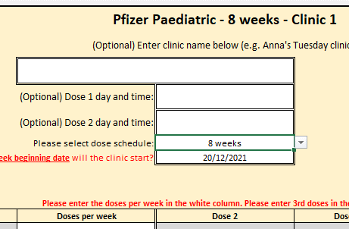 | 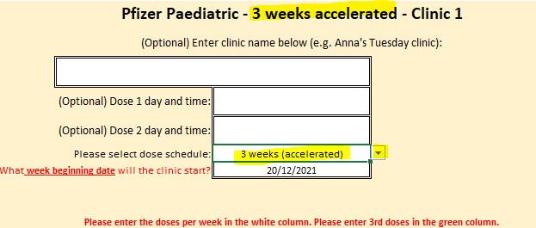
 | Example: Adding in boosters /3rd dose
 | There are two ways you can add in third doses of vaccinations.
 | 1.Adding into an existing clinic as an addition to /or instead of doses you are already giving. Example given in the first round of clinics below ( in orange)
 | 2.Create and entire round of clinics dedicated to third dose / boosters / . Example is in the second round of clinics below ( in red)
 | With both versions with the dates set correctly the weekly dose calculated will add in the additional third doses

 | Disclaimer: WA Primary Health Alliance’s publications and the material within them are intended for use by health professionals for general information purposes and do not replace clinical decision making. Please read our full disclaimer. While the Australian Government contributed funding for this material, it has not reviewed the content and is not responsible for any injury, loss or damage however arising from the use of or reliance on the information provided herein.

